Overview
Intro to PivotTables
A pivot table is a table of statistics that summarizes the data of a more extensive table. This summary might include sums, averages, or other statistics, which the pivot table groups together in a meaningful way. Although Microsoft didn't originate the idea, the Excel PivotTable is what most people think of when they hear the term.
The power of the PivotTable is in its ability to filter large datasets and rearrange or "pivot" our view of the data. In this workbook we will create a pivot table from data and explore the interface and tools used to work with the PivotTable. It is important to understand that changing a PivotTable never touches the source data. It is an entirely new object. In fact, once you've created your PivotTable, the source data may be deleted, although this is neither necessary nor common practice.
Worksheets in this workbook include:

How to create a PivotTable | This sheet provides a high level look at the process of creation and the parts of a PivotTable
Data | This sheet contains our sample data and gives directions for transforming into a Table object
Data Table | Our data as a Table, with step by step instructions for creating a PivotTable from this data
Salary Expense | On this sheet, we've created the PivotTable and provide step by step instructions for modifying it
Avg by Role & Gender | This sheet introduces the Slicer, a tool used for quickly filtering PivotTable data
Multiple Slicer Connec tions | It's often effective to create multiple PivotTables from the same source data. You can control each one with a single Slicer
Salary Expense | Timelines are filtering tools, like Slicers, but they only work on Date formatted fields
PivotChart | Create a visual display of your data

How to create a Pivot Table

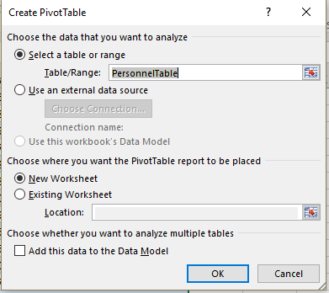
When a pivot table is active, two special tabs ("Analyze" and "Design") become visible. These contain the commands used to modify the contents and appearance of your pivot table.
Using the sample data in this workbook, it's simple to create a Pivot Table.
1. Click on your data range or data table (preferred).
2. From the Insert tab, click on PivotTable. This will open the Create Pivot Table dialog box. In this case the pivot table will be connected to the Table named "PersonnelTable" found on the sheet named "Data Table."
3. The default is to create the pivot table on a new worksheet. This is fine so click OK.

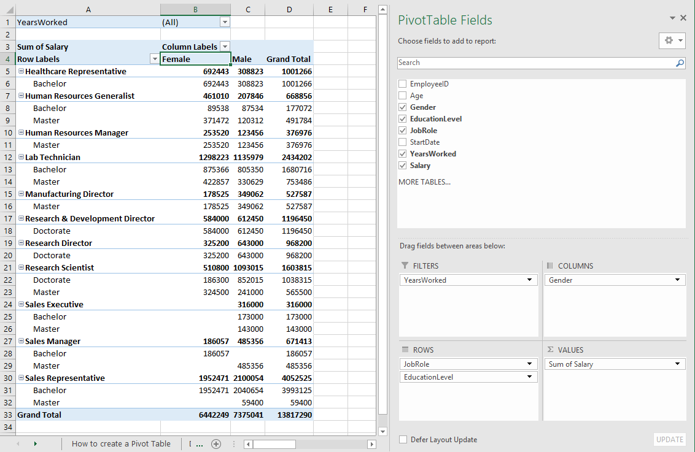
There are 4 parts of a pivot table.
Each of these contains Fields. It's important to understand that while a pivot table may be displayed as rows and columns, it is really composed of individual fields, that are derived from the column headings in our data source.
1. Rows - Fields derived from header columns in our data table. Displayed on the left side. In this format, they are nested in a hierarchy.
"JobRole" "EducationLevel"
2. Columns - Fields derived from the header columns in our data table. Displayed across the top of the pivot table.
"Gender"
3. Values - The "body" of the table, where all calculations are displayed. In this case it shows the sum of "Salary", by gender as well as combined in a Grand Total.
4. Filters - Located above the pivot table, these are used to limit ("filter") one or more fields in the report. Filters are optional.
"YearsWorked"

Data
Here we have a list of company employees, including their ages, education, job roles, start dates, and more. There are a number of different ways we can look at this data. Some of these might be:
Salary expenditures by role
Average salary by role and gender
Salary by Education level
Salary expenditure by age
That makes this data a good candidate for a Pivot Table. But before we create the pivot table, we should convert our data to an Excel Table Object. This will allow us to easily refresh our pivot tables should we add new employee data.
To create the table, click anywhere in the data, and select Format as Table, found in the middle of the Home tab. Choose a style. Make sure to check the "My table has headers" box and click OK.
The next sheet (Data Table) has a completed example.
EmployeeID | Age | Gender | EducationLevel | JobRole | StartDate | YearsWorked | Salary
26 | 56 | Male | Bachelor | Sales Executive | 1989-10-26 | 29 | 173,000
27 | 50 | Male | Master | Research Scientist | 1993-10-18 | 25 | 241,000
28 | 59 | Female | Doctorate | Research Director | 1990-11-19 | 28 | 325,200
29 | 59 | Male | Doctorate | Research Director | 1991-09-17 | 27 | 358,000
30 | 48 | Male | Bachelor | Sales Representative | 2001-07-02 | 18 | 112,000
31 | 45 | Male | Bachelor | Sales Representative | 2000-10-08 | 18 | 103,500
32 | 48 | Female | Bachelor | Sales Representative | 2000-05-30 | 19 | 98,000
33 | 53 | Male | Master | Sales Executive | 1999-10-19 | 19 | 143,000
34 | 62 | Male | Doctorate | Research & Development Director | 2001-03-15 | 18 | 612,450
35 | 48 | Male | Bachelor | Sales Representative | 2004-01-15 | 15 | 89,000
36 | 45 | Male | Bachelor | Sales Representative | 1998-08-10 | 21 | 101,500
37 | 57 | Female | Master | Human Resources Manager | 1993-09-07 | 25 | 156,000
38 | 59 | Male | Doctorate | Research Scientist | 2002-03-12 | 17 | 189,600
39 | 49 | Male | Master | Sales Manager | 1993-08-31 | 26 | 271,000
40 | 55 | Male | Doctorate | Research Scientist | 1998-04-14 | 21 | 203,000
41 | 61 | Male | Doctorate | Research Director | 1997-02-12 | 22 | 285,000
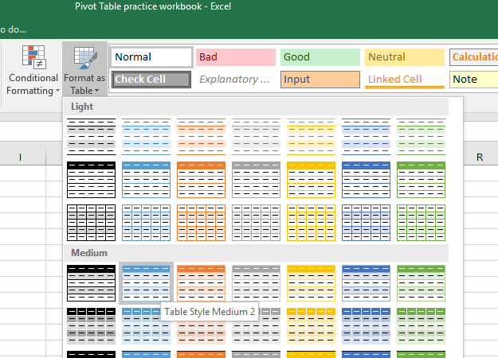
42 | 48 | Female | Bachelor | Sales Manager | 1988-11-20 | 30 | 143,000
43 | 62 | Female | Doctorate | Research & Development Director | 2003-01-02 | 16 | 584,000
44 | 55 | Male | Bachelor | Sales Representative | 1989-03-09 | 30 | 68,523
45 | 60 | Male | Master | Manufacturing Director | 1995-03-05 | 24 | 201,562
46 | 57 | Male | Doctorate | Research Scientist | 1998-08-10 | 21 | 248,415
47 | 46 | Female | Bachelor | Sales Representative | 1997-08-19 | 22 | 62,123
48 | 48 | Male | Bachelor | Sales Representative | 1990-06-01 | 29 | 72,456
49 | 61 | Female | Doctorate | Research Scientist | 2003-06-23 | 16 | 186,300
50 | 45 | Male | Bachelor | Sales Representative | 2005-02-19 | 14 | 58,623
51 | 53 | Male | Doctorate | Research Scientist | 2009-01-03 | 10 | 211,000
52 | 51 | Male | Master | Human Resources Manager | 2002-12-11 | 16 | 123,456
53 | 47 | Female | Bachelor | Sales Representative | 2000-12-09 | 18 | 53,498
54 | 50 | Male | Master | Sales Manager | 2002-07-08 | 17 | 102,356
55 | 41 | Female | Bachelor | Sales Representative | 2010-06-02 | 9 | 48,965
56 | 45 | Female | Bachelor | Sales Representative | 2006-08-14 | 13 | 51,426
57 | 37 | Female | Bachelor | Healthcare Representative | 2003-05-31 | 16 | 61,324
58 | 39 | Male | Bachelor | Healthcare Representative | 2009-12-10 | 9 | 49,758
59 | 44 | Female | Bachelor | Healthcare Representative | 2009-02-24 | 10 | 61,730
60 | 43 | Female | Bachelor | Healthcare Representative | 2002-03-15 | 17 | 50,675
61 | 40 | Female | Bachelor | Healthcare Representative | 2005-10-28 | 13 | 61,049
62 | 46 | Female | Bachelor | Sales Representative | 2000-03-29 | 19 | 56,853
63 | 46 | Male | Bachelor | Sales Representative | 2007-07-16 | 12 | 55,347
64 | 49 | Female | Master | Manufacturing Director | 2000-09-22 | 18 | 178,525
65 | 41 | Male | Bachelor | Sales Representative | 2004-05-08 | 15 | 45,623
66 | 45 | Female | Bachelor | Sales Representative | 2002-09-08 | 16 | 43,216
67 | 39 | Male | Bachelor | Sales Representative | 2005-02-04 | 14 | 43,521
68 | 51 | Female | Master | Human Resources Manager | 2003-04-03 | 16 | 97,520
69 | 47 | Male | Bachelor | Sales Representative | 2003-08-12 | 16 | 65,000
70 | 49 | Female | Master | Lab Technician | 2004-02-21 | 15 | 51,789
71 | 51 | Male | Master | Sales Manager | 2007-09-23 | 11 | 112,000
72 | 41 | Male | Bachelor | Sales Representative | 2009-11-10 | 9 | 62,530
73 | 49 | Female | Master | Human Resources Generalist | 1999-07-03 | 20 | 74,562
74 | 49 | Male | Master | Lab Technician | 2000-11-15 | 18 | 79,820
75 | 49 | Female | Master | Lab Technician | 2004-02-03 | 15 | 72,456
76 | 36 | Male | Bachelor | Sales Representative | 2004-04-27 | 15 | 61,815
77 | 47 | Male | Bachelor | Sales Representative | 2006-07-31 | 13 | 62,180
78 | 40 | Female | Bachelor | Sales Representative | 2007-05-18 | 12 | 62,662
79 | 44 | Female | Bachelor | Sales Representative | 2007-12-19 | 11 | 62,027
80 | 50 | Female | Master | Research Scientist | 2007-07-06 | 12 | 148,000
81 | 50 | Female | Master | Research Scientist | 2001-07-01 | 18 | 176,500
82 | 51 | Female | Master | Human Resources Generalist | 2001-05-17 | 18 | 78,620
83 | 47 | Male | Bachelor | Sales Representative | 1999-11-03 | 19 | 65,420
84 | 47 | Female | Bachelor | Sales Representative | 2001-02-23 | 18 | 63,250
85 | 50 | Male | Master | Lab Technician | 2008-02-05 | 11 | 81,000
86 | 51 | Male | Master | Manufacturing Director | 2007-01-26 | 12 | 147,500
87 | 47 | Female | Bachelor | Sales Representative | 2002-06-20 | 17 | 62,150
88 | 45 | Male | Bachelor | Sales Representative | 2006-11-09 | 12 | 63,540
89 | 48 | Male | Bachelor | Sales Representative | 2008-12-26 | 10 | 59,000
90 | 51 | Male | Master | Human Resources Generalist | 2006-10-05 | 12 | 74,900
91 | 41 | Female | Bachelor | Sales Representative | 2008-06-27 | 11 | 48,000
92 | 46 | Female | Bachelor | Sales Representative | 2004-07-09 | 15 | 53,000
93 | 47 | Male | Bachelor | Healthcare Representative | 2007-09-30 | 11 | 42,000
94 | 36 | Female | Bachelor | Sales Representative | 2003-03-17 | 16 | 56,000
95 | 40 | Male | Bachelor | Healthcare Representative | 2002-01-23 | 17 | 44,500
96 | 43 | Female | Bachelor | Sales Representative | 2002-08-29 | 17 | 58,412
97 | 46 | Female | Bachelor | Sales Representative | 2007-06-10 | 12 | 53,214
98 | 38 | Male | Bachelor | Healthcare Representative | 2007-08-14 | 12 | 45,000
99 | 38 | Male | Bachelor | Healthcare Representative | 2004-07-30 | 15 | 42,600
100 | 49 | Male | Master | Lab Technician | 2009-03-04 | 10 | 77,000
101 | 48 | Female | Bachelor | Sales Representative | 2008-03-21 | 11 | 51,620
102 | 39 | Male | Bachelor | Sales Representative | 1999-12-03 | 19 | 61,852
103 | 36 | Female | Bachelor | Healthcare Representative | 2000-06-26 | 19 | 51,000
104 | 43 | Female | Bachelor | Sales Representative | 2004-02-24 | 15 | 56,452
105 | 36 | Male | Bachelor | Sales Representative | 2006-03-07 | 13 | 54,320
106 | 31 | Female | Bachelor | Healthcare Representative | 2005-05-21 | 14 | 45,900
107 | 35 | Male | Bachelor | Healthcare Representative | 2006-12-06 | 12 | 42,000
108 | 36 | Male | Bachelor | Sales Representative | 2007-08-18 | 12 | 51,000
109 | 37 | Female | Bachelor | Sales Representative | 2000-04-27 | 19 | 58,500
110 | 28 | Male | Bachelor | Lab Technician | 2006-08-15 | 13 | 61,000
111 | 28 | Female | Bachelor | Healthcare Representative | 2010-05-06 | 9 | 42,500
112 | 31 | Female | Bachelor | Healthcare Representative | 2008-05-29 | 11 | 46,000
113 | 34 | Male | Bachelor | Lab Technician | 1999-07-23 | 20 | 56,800
114 | 35 | Female | Bachelor | Lab Technician | 2009-02-19 | 10 | 49,500
115 | 30 | Female | Bachelor | Lab Technician | 2010-05-08 | 9 | 47,800
116 | 28 | Female | Bachelor | Healthcare Representative | 2007-09-17 | 11 | 44,150
117 | 28 | Male | Bachelor | Human Resources Generalist | 2007-02-27 | 12 | 40,491
118 | 37 | Female | Bachelor | Sales Representative | 2004-07-14 | 15 | 43,316
119 | 34 | Female | Bachelor | Human Resources Generalist | 2002-01-17 | 17 | 47,389
120 | 31 | Male | Bachelor | Lab Technician | 2002-11-01 | 16 | 40,416
121 | 32 | Female | Bachelor | Lab Technician | 2004-01-17 | 15 | 48,332
122 | 30 | Male | Bachelor | Lab Technician | 2008-05-16 | 11 | 47,047
123 | 31 | Female | Bachelor | Lab Technician | 2004-11-18 | 14 | 42,206
124 | 28 | Female | Bachelor | Healthcare Representative | 2004-01-20 | 15 | 47,459
125 | 34 | Female | Bachelor | Lab Technician | 2004-03-01 | 15 | 48,756
126 | 29 | Male | Bachelor | Lab Technician | 2003-07-16 | 16 | 47,638
127 | 31 | Female | Bachelor | Lab Technician | 2004-01-27 | 15 | 47,646
128 | 35 | Female | Bachelor | Lab Technician | 2004-03-14 | 15 | 48,563
129 | 36 | Male | Bachelor | Sales Representative | 2009-02-06 | 10 | 41,385
130 | 32 | Male | Bachelor | Lab Technician | 2005-11-01 | 13 | 48,153
131 | 36 | Male | Bachelor | Sales Representative | 2004-08-28 | 15 | 40,730
132 | 34 | Female | Bachelor | Sales Representative | 2000-01-29 | 19 | 45,790
133 | 31 | Female | Bachelor | Sales Representative | 2006-06-28 | 13 | 40,807
134 | 31 | Female | Bachelor | Sales Representative | 2008-08-02 | 11 | 47,752
135 | 31 | Male | Bachelor | Sales Representative | 2004-05-13 | 15 | 48,767
136 | 33 | Male | Bachelor | Sales Representative | 2000-03-21 | 19 | 45,563
137 | 32 | Male | Bachelor | Sales Representative | 2007-09-05 | 11 | 48,058
138 | 34 | Female | Master | Human Resources Generalist | 2003-05-13 | 16 | 75,500
139 | 31 | Female | Bachelor | Lab Technician | 2003-04-10 | 16 | 62,320
140 | 29 | Male | Bachelor | Lab Technician | 2007-11-03 | 11 | 51,620
141 | 31 | Female | Bachelor | Lab Technician | 2004-01-02 | 15 | 57,000
142 | 36 | Female | Bachelor | Sales Representative | 2000-06-05 | 19 | 52,000
143 | 33 | Female | Bachelor | Sales Representative | 2006-09-02 | 12 | 47,560
144 | 30 | Female | Bachelor | Sales Representative | 1999-12-14 | 19 | 52,000
145 | 34 | Female | Master | Human Resources Generalist | 1999-05-13 | 20 | 81,560
146 | 34 | Female | Master | Human Resources Generalist | 2010-02-20 | 9 | 61,230
147 | 28 | Female | Bachelor | Lab Technician | 2001-10-16 | 17 | 65,400
148 | 31 | Male | Bachelor | Lab Technician | 2003-08-09 | 16 | 63,852
149 | 37 | Male | Bachelor | Sales Representative | 2001-01-16 | 18 | 55,000
150 | 33 | Male | Bachelor | Lab Technician | 2006-04-14 | 13 | 61,530
151 | 36 | Female | Bachelor | Lab Technician | 2005-08-18 | 14 | 60,400
152 | 30 | Female | Master | Lab Technician | 2008-08-28 | 11 | 64,500
153 | 38 | Male | Bachelor | Lab Technician | 2006-04-23 | 13 | 65,200
154 | 36 | Male | Bachelor | Sales Representative | 2009-12-20 | 9 | 51,200
155 | 34 | Male | Bachelor | Sales Representative | 2008-03-12 | 11 | 53,000
156 | 32 | Female | Bachelor | Sales Representative | 2003-09-29 | 15 | 54,500
157 | 38 | Female | Bachelor | Sales Representative | 2000-12-17 | 18 | 61,840
158 | 43 | Male | Bachelor | Sales Representative | 1999-12-23 | 19 | 63,250
159 | 35 | Male | Master | Sales Representative | 2010-01-19 | 9 | 59,400
160 | 32 | Female | Bachelor | Sales Representative | 2005-03-14 | 14 | 54,780
161 | 42 | Female | Bachelor | Lab Technician | 2000-12-24 | 18 | 58,000
162 | 42 | Female | Bachelor | Lab Technician | 1999-03-09 | 20 | 64,500
163 | 34 | Male | Master | Lab Technician | 2013-10-20 | 5 | 53,500
164 | 32 | Female | Master | Lab Technician | 2013-02-28 | 6 | 52,900
165 | 29 | Male | Bachelor | Lab Technician | 2011-11-11 | 7 | 43,491
166 | 28 | Male | Bachelor | Lab Technician | 2014-01-24 | 5 | 42,305
167 | 33 | Female | Bachelor | Lab Technician | 2010-04-08 | 9 | 41,477
168 | 37 | Female | Bachelor | Sales Representative | 2012-01-16 | 7 | 41,108
169 | 35 | Female | Master | Lab Technician | 2012-03-14 | 7 | 42,936
170 | 32 | Male | Master | Lab Technician | 2012-02-24 | 7 | 39,309
171 | 35 | Female | Master | Lab Technician | 2010-01-17 | 9 | 51,451
172 | 31 | Female | Bachelor | Sales Representative | 2013-02-09 | 6 | 50,519
173 | 36 | Male | Bachelor | Sales Representative | 2009-09-21 | 9 | 42,163
174 | 32 | Female | Bachelor | Human Resources Generalist | 2010-04-14 | 9 | 42,149
175 | 33 | Male | Bachelor | Human Resources Generalist | 2009-07-13 | 10 | 47,043
176 | 31 | Female | Bachelor | Lab Technician | 2013-06-23 | 6 | 48,697
177 | 29 | Female | Bachelor | Lab Technician | 2010-12-02 | 8 | 40,703
178 | 36 | Female | Bachelor | Sales Representative | 2015-05-29 | 4 | 50,232
179 | 35 | Male | Bachelor | Sales Representative | 2015-07-12 | 4 | 50,843
180 | 29 | Male | Bachelor | Sales Representative | 2012-11-01 | 6 | 44,936
181 | 32 | Female | Bachelor | Healthcare Representative | 2012-03-07 | 7 | 40,847
182 | 31 | Female | Bachelor | Healthcare Representative | 2014-06-04 | 5 | 42,435
183 | 34 | Female | Bachelor | Healthcare Representative | 2011-02-19 | 8 | 48,446
184 | 28 | Male | Bachelor | Lab Technician | 2012-09-09 | 6 | 45,141
185 | 37 | Male | Bachelor | Sales Representative | 2010-10-14 | 8 | 51,360
186 | 31 | Male | Bachelor | Lab Technician | 2010-01-04 | 9 | 39,725
187 | 28 | Female | Bachelor | Sales Representative | 2015-10-09 | 3 | 41,177
188 | 28 | Male | Bachelor | Sales Representative | 2008-03-22 | 11 | 47,649
189 | 31 | Female | Bachelor | Lab Technician | 2015-04-17 | 4 | 44,066
190 | 29 | Male | Bachelor | Healthcare Representative | 2008-11-27 | 10 | 42,965
191 | 28 | Female | Bachelor | Healthcare Representative | 2009-02-07 | 10 | 48,928
192 | 37 | Female | Bachelor | Sales Representative | 2013-11-14 | 5 | 43,750
193 | 34 | Female | Master | Lab Technician | 2008-05-23 | 11 | 40,487
194 | 35 | Male | Bachelor | Lab Technician | 2011-10-17 | 7 | 43,628
195 | 30 | Female | Master | Lab Technician | 2015-09-20 | 3 | 46,338
196 | 37 | Female | Bachelor | Sales Representative | 2011-04-29 | 8 | 44,215
197 | 30 | Male | Master | Human Resources Generalist | 2013-11-20 | 5 | 45,412
198 | 32 | Female | Bachelor | Sales Representative | 2014-06-20 | 5 | 39,845
199 | 33 | Female | Bachelor | Sales Manager | 2009-11-06 | 9 | 43,057
200 | 37 | Female | Bachelor | Sales Representative | 2011-01-29 | 8 | 41,912
201 | 33 | Male | Bachelor | Lab Technician | 2012-10-02 | 6 | 47,804

Data Table
2
Here's our data table. Go ahead and create a pivot table from this table, just like we saw in the "How to create a Pivot Table" sheet.
On the next sheet, "Salary Expense," we'll see how to make modifications to the pivot table.
EmployeeID | Age | Gender | EducationLevel | JobRole | StartDate | YearsWorked | Salary
26 | 56 | Male | Bachelor | Sales Executive | 1989-10-26 | 29 | 173,000
27 | 50 | Male | Master | Research Scientist | 1993-10-18 | 25 | 241,000
28 | 59 | Female | Doctorate | Research Director | 1990-11-19 | 28 | 325,200
29 | 59 | Male | Doctorate | Research Director | 1991-09-17 | 27 | 358,000
30 | 48 | Male | Bachelor | Sales Representative | 2001-07-02 | 18 | 112,000
31 | 45 | Male | Bachelor | Sales Representative | 2000-10-08 | 18 | 103,500
32 | 48 | Female | Bachelor | Sales Representative | 2000-05-30 | 19 | 98,000
33 | 53 | Male | Master | Sales Executive | 1999-10-19 | 19 | 143,000
1
34 | 62 | Male | Doctorate | Research & Development Director | 2001-03-15 | 18 | 612,450
35 | 48 | Male | Bachelor | Sales Representative | 2004-01-15 | 15 | 89,000
36 | 45 | Male | Bachelor | Sales Representative | 1998-08-10 | 21 | 101,500
37 | 57 | Female | Master | Human Resources Manager | 1993-09-07 | 25 | 156,000
38 | 59 | Male | Doctorate | Research Scientist | 2002-03-12 | 17 | 189,600
39 | 49 | Male | Master | Sales Manager | 1993-08-31 | 26 | 271,000
40 | 55 | Male | Doctorate | Research Scientist | 1998-04-14 | 21 | 203,000
41 | 61 | Male | Doctorate | Research Director | 1997-02-12 | 22 | 285,000
42 | 48 | Female | Bachelor | Sales Manager | 1988-11-20 | 30 | 143,000
43 | 62 | Female | Doctorate | Research & Development Director | 2003-01-02 | 16 | 584,000
44 | 55 | Male | Bachelor | Sales Representative | 1989-03-09 | 30 | 68,523
New sheet with pivot table fields, ready for creation.
45 | 60 | Male | Master | Manufacturing Director | 1995-03-05 | 24 | 201,562
3
46 | 57 | Male | Doctorate | Research Scientist | 1998-08-10 | 21 | 248,415
47 | 46 | Female | Bachelor | Sales Representative | 1997-08-19 | 22 | 62,123
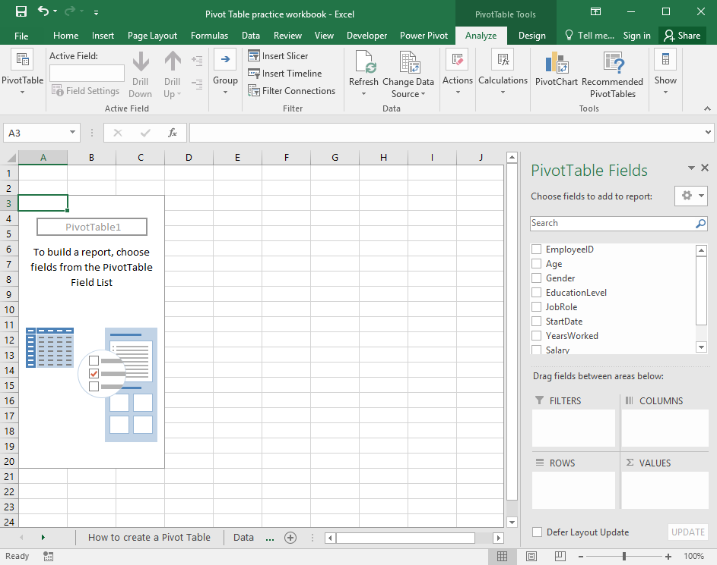
48 | 48 | Male | Bachelor | Sales Representative | 1990-06-01 | 29 | 72,456
49 | 61 | Female | Doctorate | Research Scientist | 2003-06-23 | 16 | 186,300
50 | 45 | Male | Bachelor | Sales Representative | 2005-02-19 | 14 | 58,623
51 | 53 | Male | Doctorate | Research Scientist | 2009-01-03 | 10 | 211,000
52 | 51 | Male | Master | Human Resources Manager | 2002-12-11 | 16 | 123,456
53 | 47 | Female | Bachelor | Sales Representative | 2000-12-09 | 18 | 53,498
54 | 50 | Male | Master | Sales Manager | 2002-07-08 | 17 | 102,356
55 | 41 | Female | Bachelor | Sales Representative | 2010-06-02 | 9 | 48,965
56 | 45 | Female | Bachelor | Sales Representative | 2006-08-14 | 13 | 51,426
57 | 37 | Female | Bachelor | Healthcare Representative | 2003-05-31 | 16 | 61,324
58 | 39 | Male | Bachelor | Healthcare Representative | 2009-12-10 | 9 | 49,758
59 | 44 | Female | Bachelor | Healthcare Representative | 2009-02-24 | 10 | 61,730
60 | 43 | Female | Bachelor | Healthcare Representative | 2002-03-15 | 17 | 50,675
61 | 40 | Female | Bachelor | Healthcare Representative | 2005-10-28 | 13 | 61,049
62 | 46 | Female | Bachelor | Sales Representative | 2000-03-29 | 19 | 56,853
63 | 46 | Male | Bachelor | Sales Representative | 2007-07-16 | 12 | 55,347
64 | 49 | Female | Master | Manufacturing Director | 2000-09-22 | 18 | 178,525
65 | 41 | Male | Bachelor | Sales Representative | 2004-05-08 | 15 | 45,623
66 | 45 | Female | Bachelor | Sales Representative | 2002-09-08 | 16 | 43,216
67 | 39 | Male | Bachelor | Sales Representative | 2005-02-04 | 14 | 43,521
68 | 51 | Female | Master | Human Resources Manager | 2003-04-03 | 16 | 97,520
69 | 47 | Male | Bachelor | Sales Representative | 2003-08-12 | 16 | 65,000
70 | 49 | Female | Master | Lab Technician | 2004-02-21 | 15 | 51,789
71 | 51 | Male | Master | Sales Manager | 2007-09-23 | 11 | 112,000
72 | 41 | Male | Bachelor | Sales Representative | 2009-11-10 | 9 | 62,530
73 | 49 | Female | Master | Human Resources Generalist | 1999-07-03 | 20 | 74,562
74 | 49 | Male | Master | Lab Technician | 2000-11-15 | 18 | 79,820
75 | 49 | Female | Master | Lab Technician | 2004-02-03 | 15 | 72,456
76 | 36 | Male | Bachelor | Sales Representative | 2004-04-27 | 15 | 61,815
77 | 47 | Male | Bachelor | Sales Representative | 2006-07-31 | 13 | 62,180
78 | 40 | Female | Bachelor | Sales Representative | 2007-05-18 | 12 | 62,662
79 | 44 | Female | Bachelor | Sales Representative | 2007-12-19 | 11 | 62,027
80 | 50 | Female | Master | Research Scientist | 2007-07-06 | 12 | 148,000
81 | 50 | Female | Master | Research Scientist | 2001-07-01 | 18 | 176,500
82 | 51 | Female | Master | Human Resources Generalist | 2001-05-17 | 18 | 78,620
83 | 47 | Male | Bachelor | Sales Representative | 1999-11-03 | 19 | 65,420
84 | 47 | Female | Bachelor | Sales Representative | 2001-02-23 | 18 | 63,250
85 | 50 | Male | Master | Lab Technician | 2008-02-05 | 11 | 81,000
86 | 51 | Male | Master | Manufacturing Director | 2007-01-26 | 12 | 147,500
87 | 47 | Female | Bachelor | Sales Representative | 2002-06-20 | 17 | 62,150
88 | 45 | Male | Bachelor | Sales Representative | 2006-11-09 | 12 | 63,540
89 | 48 | Male | Bachelor | Sales Representative | 2008-12-26 | 10 | 59,000
90 | 51 | Male | Master | Human Resources Generalist | 2006-10-05 | 12 | 74,900
91 | 41 | Female | Bachelor | Sales Representative | 2008-06-27 | 11 | 48,000
92 | 46 | Female | Bachelor | Sales Representative | 2004-07-09 | 15 | 53,000
93 | 47 | Male | Bachelor | Healthcare Representative | 2007-09-30 | 11 | 42,000
94 | 36 | Female | Bachelor | Sales Representative | 2003-03-17 | 16 | 56,000
95 | 40 | Male | Bachelor | Healthcare Representative | 2002-01-23 | 17 | 44,500
96 | 43 | Female | Bachelor | Sales Representative | 2002-08-29 | 17 | 58,412
97 | 46 | Female | Bachelor | Sales Representative | 2007-06-10 | 12 | 53,214
98 | 38 | Male | Bachelor | Healthcare Representative | 2007-08-14 | 12 | 45,000
99 | 38 | Male | Bachelor | Healthcare Representative | 2004-07-30 | 15 | 42,600
100 | 49 | Male | Master | Lab Technician | 2009-03-04 | 10 | 77,000
101 | 48 | Female | Bachelor | Sales Representative | 2008-03-21 | 11 | 51,620
102 | 39 | Male | Bachelor | Sales Representative | 1999-12-03 | 19 | 61,852
103 | 36 | Female | Bachelor | Healthcare Representative | 2000-06-26 | 19 | 51,000
104 | 43 | Female | Bachelor | Sales Representative | 2004-02-24 | 15 | 56,452
105 | 36 | Male | Bachelor | Sales Representative | 2006-03-07 | 13 | 54,320
106 | 31 | Female | Bachelor | Healthcare Representative | 2005-05-21 | 14 | 45,900
107 | 35 | Male | Bachelor | Healthcare Representative | 2006-12-06 | 12 | 42,000
108 | 36 | Male | Bachelor | Sales Representative | 2007-08-18 | 12 | 51,000
109 | 37 | Female | Bachelor | Sales Representative | 2000-04-27 | 19 | 58,500
110 | 28 | Male | Bachelor | Lab Technician | 2006-08-15 | 13 | 61,000
111 | 28 | Female | Bachelor | Healthcare Representative | 2010-05-06 | 9 | 42,500
112 | 31 | Female | Bachelor | Healthcare Representative | 2008-05-29 | 11 | 46,000
113 | 34 | Male | Bachelor | Lab Technician | 1999-07-23 | 20 | 56,800
114 | 35 | Female | Bachelor | Lab Technician | 2009-02-19 | 10 | 49,500
115 | 30 | Female | Bachelor | Lab Technician | 2010-05-08 | 9 | 47,800
116 | 28 | Female | Bachelor | Healthcare Representative | 2007-09-17 | 11 | 44,150
117 | 28 | Male | Bachelor | Human Resources Generalist | 2007-02-27 | 12 | 40,491
118 | 37 | Female | Bachelor | Sales Representative | 2004-07-14 | 15 | 43,316
119 | 34 | Female | Bachelor | Human Resources Generalist | 2002-01-17 | 17 | 47,389
120 | 31 | Male | Bachelor | Lab Technician | 2002-11-01 | 16 | 40,416
121 | 32 | Female | Bachelor | Lab Technician | 2004-01-17 | 15 | 48,332
122 | 30 | Male | Bachelor | Lab Technician | 2008-05-16 | 11 | 47,047
123 | 31 | Female | Bachelor | Lab Technician | 2004-11-18 | 14 | 42,206
124 | 28 | Female | Bachelor | Healthcare Representative | 2004-01-20 | 15 | 47,459
125 | 34 | Female | Bachelor | Lab Technician | 2004-03-01 | 15 | 48,756
126 | 29 | Male | Bachelor | Lab Technician | 2003-07-16 | 16 | 47,638
127 | 31 | Female | Bachelor | Lab Technician | 2004-01-27 | 15 | 47,646
128 | 35 | Female | Bachelor | Lab Technician | 2004-03-14 | 15 | 48,563
129 | 36 | Male | Bachelor | Sales Representative | 2009-02-06 | 10 | 41,385
130 | 32 | Male | Bachelor | Lab Technician | 2005-11-01 | 13 | 48,153
131 | 36 | Male | Bachelor | Sales Representative | 2004-08-28 | 15 | 40,730
132 | 34 | Female | Bachelor | Sales Representative | 2000-01-29 | 19 | 45,790
133 | 31 | Female | Bachelor | Sales Representative | 2006-06-28 | 13 | 40,807
134 | 31 | Female | Bachelor | Sales Representative | 2008-08-02 | 11 | 47,752
135 | 31 | Male | Bachelor | Sales Representative | 2004-05-13 | 15 | 48,767
136 | 33 | Male | Bachelor | Sales Representative | 2000-03-21 | 19 | 45,563
137 | 32 | Male | Bachelor | Sales Representative | 2007-09-05 | 11 | 48,058
138 | 34 | Female | Master | Human Resources Generalist | 2003-05-13 | 16 | 75,500
139 | 31 | Female | Bachelor | Lab Technician | 2003-04-10 | 16 | 62,320
140 | 29 | Male | Bachelor | Lab Technician | 2007-11-03 | 11 | 51,620
141 | 31 | Female | Bachelor | Lab Technician | 2004-01-02 | 15 | 57,000
142 | 36 | Female | Bachelor | Sales Representative | 2000-06-05 | 19 | 52,000
143 | 33 | Female | Bachelor | Sales Representative | 2006-09-02 | 12 | 47,560
144 | 30 | Female | Bachelor | Sales Representative | 1999-12-14 | 19 | 52,000
145 | 34 | Female | Master | Human Resources Generalist | 1999-05-13 | 20 | 81,560
146 | 34 | Female | Master | Human Resources Generalist | 2010-02-20 | 9 | 61,230
147 | 28 | Female | Bachelor | Lab Technician | 2001-10-16 | 17 | 65,400
148 | 31 | Male | Bachelor | Lab Technician | 2003-08-09 | 16 | 63,852
149 | 37 | Male | Bachelor | Sales Representative | 2001-01-16 | 18 | 55,000
150 | 33 | Male | Bachelor | Lab Technician | 2006-04-14 | 13 | 61,530
151 | 36 | Female | Bachelor | Lab Technician | 2005-08-18 | 14 | 60,400
152 | 30 | Female | Master | Lab Technician | 2008-08-28 | 11 | 64,500
153 | 38 | Male | Bachelor | Lab Technician | 2006-04-23 | 13 | 65,200
154 | 36 | Male | Bachelor | Sales Representative | 2009-12-20 | 9 | 51,200
155 | 34 | Male | Bachelor | Sales Representative | 2008-03-12 | 11 | 53,000
156 | 32 | Female | Bachelor | Sales Representative | 2003-09-29 | 15 | 54,500
157 | 38 | Female | Bachelor | Sales Representative | 2000-12-17 | 18 | 61,840
158 | 43 | Male | Bachelor | Sales Representative | 1999-12-23 | 19 | 63,250
159 | 35 | Male | Master | Sales Representative | 2010-01-19 | 9 | 59,400
160 | 32 | Female | Bachelor | Sales Representative | 2005-03-14 | 14 | 54,780
161 | 42 | Female | Bachelor | Lab Technician | 2000-12-24 | 18 | 58,000
162 | 42 | Female | Bachelor | Lab Technician | 1999-03-09 | 20 | 64,500
163 | 34 | Male | Master | Lab Technician | 2013-10-20 | 5 | 53,500
164 | 32 | Female | Master | Lab Technician | 2013-02-28 | 6 | 52,900
165 | 29 | Male | Bachelor | Lab Technician | 2011-11-11 | 7 | 43,491
166 | 28 | Male | Bachelor | Lab Technician | 2014-01-24 | 5 | 42,305
167 | 33 | Female | Bachelor | Lab Technician | 2010-04-08 | 9 | 41,477
168 | 37 | Female | Bachelor | Sales Representative | 2012-01-16 | 7 | 41,108
169 | 35 | Female | Master | Lab Technician | 2012-03-14 | 7 | 42,936
170 | 32 | Male | Master | Lab Technician | 2012-02-24 | 7 | 39,309
171 | 35 | Female | Master | Lab Technician | 2010-01-17 | 9 | 51,451
172 | 31 | Female | Bachelor | Sales Representative | 2013-02-09 | 6 | 50,519
173 | 36 | Male | Bachelor | Sales Representative | 2009-09-21 | 9 | 42,163
174 | 32 | Female | Bachelor | Human Resources Generalist | 2010-04-14 | 9 | 42,149
175 | 33 | Male | Bachelor | Human Resources Generalist | 2009-07-13 | 10 | 47,043
176 | 31 | Female | Bachelor | Lab Technician | 2013-06-23 | 6 | 48,697
177 | 29 | Female | Bachelor | Lab Technician | 2010-12-02 | 8 | 40,703
178 | 36 | Female | Bachelor | Sales Representative | 2015-05-29 | 4 | 50,232
179 | 35 | Male | Bachelor | Sales Representative | 2015-07-12 | 4 | 50,843
180 | 29 | Male | Bachelor | Sales Representative | 2012-11-01 | 6 | 44,936
181 | 32 | Female | Bachelor | Healthcare Representative | 2012-03-07 | 7 | 40,847
182 | 31 | Female | Bachelor | Healthcare Representative | 2014-06-04 | 5 | 42,435
183 | 34 | Female | Bachelor | Healthcare Representative | 2011-02-19 | 8 | 48,446
184 | 28 | Male | Bachelor | Lab Technician | 2012-09-09 | 6 | 45,141
185 | 37 | Male | Bachelor | Sales Representative | 2010-10-14 | 8 | 51,360
186 | 31 | Male | Bachelor | Lab Technician | 2010-01-04 | 9 | 39,725
187 | 28 | Female | Bachelor | Sales Representative | 2015-10-09 | 3 | 41,177
188 | 28 | Male | Bachelor | Sales Representative | 2008-03-22 | 11 | 47,649
189 | 31 | Female | Bachelor | Lab Technician | 2015-04-17 | 4 | 44,066
190 | 29 | Male | Bachelor | Healthcare Representative | 2008-11-27 | 10 | 42,965
191 | 28 | Female | Bachelor | Healthcare Representative | 2009-02-07 | 10 | 48,928
192 | 37 | Female | Bachelor | Sales Representative | 2013-11-14 | 5 | 43,750
193 | 34 | Female | Master | Lab Technician | 2008-05-23 | 11 | 40,487
194 | 35 | Male | Bachelor | Lab Technician | 2011-10-17 | 7 | 43,628
195 | 30 | Female | Master | Lab Technician | 2015-09-20 | 3 | 46,338
196 | 37 | Female | Bachelor | Sales Representative | 2011-04-29 | 8 | 44,215
197 | 30 | Male | Master | Human Resources Generalist | 2013-11-20 | 5 | 45,412
198 | 32 | Female | Bachelor | Sales Representative | 2014-06-20 | 5 | 39,845
199 | 33 | Female | Bachelor | Sales Manager | 2009-11-06 | 9 | 43,057
200 | 37 | Female | Bachelor | Sales Representative | 2011-01-29 | 8 | 41,912
201 | 33 | Male | Bachelor | Lab Technician | 2012-10-02 | 6 | 47,804
Total |  |  |  | 176 |  |  | 13,817,290

Salary Expense
Modifying a Pivot Table

Before
This is a simple pivot table, which shows our salary outlay by job role, broken out further by educational level within job role.
Notice that not every job role has an associated education level item. For example, our "Healthcare Representative" category only has employees with a Bachelor degree.
If we want to be consistent we can right-click on any of the EducationalLevel items and select Field Settings.
Our items with no data will show up as blanks. To make this cleaner, go to Options, on the left of the PivotTable Tools/Analyze tab.
From the Layout & Format tab of the Options dialog box, make sure that "For empty cells show" box is checked and replace the space with a 0.
The resulting pivot table is shown at right.
After (screenshot)

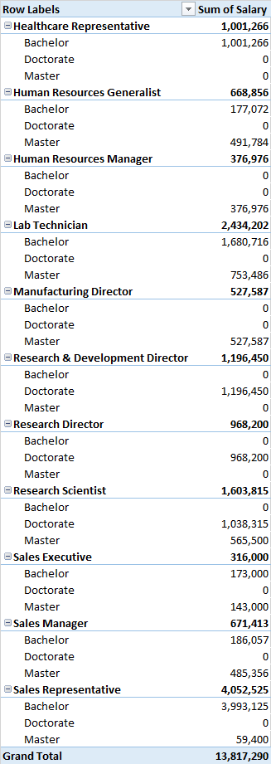
Row Labels | Sum of Salary
Healthcare Representative | 1,001,266
Bachelor | 1,001,266
Human Resources Generalist | 668,856
Bachelor | 177,072
1
Master | 491,784
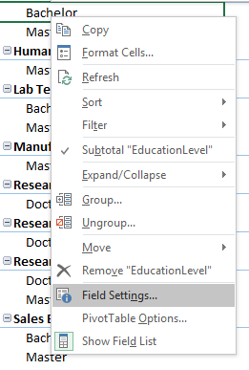
From the Field Settings dialog box Layout & Print tab, check "Show items with no data" and click OK.
3
Human Resources Manager | 376,976
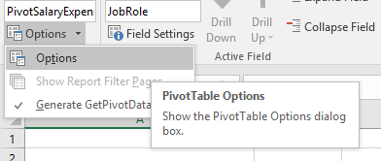
Master | 376,976
Lab Technician | 2,434,202
Bachelor | 1,680,716
Master | 753,486
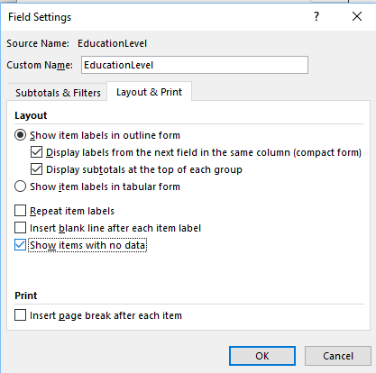
2
Manufacturing Director | 527,587
Master | 527,587
Research & Development Director | 1,196,450
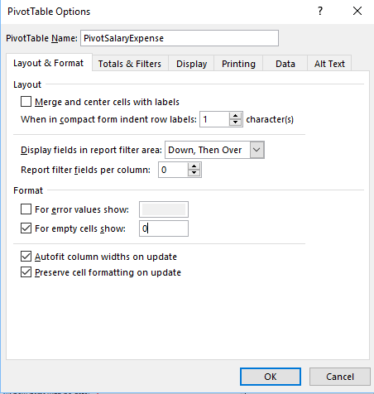
Doctorate | 1,196,450
Research Director | 968,200
Doctorate | 968,200
Research Scientist | 1,603,815
Doctorate | 1,038,315
Master | 565,500
Sales Executive | 316,000
Bachelor | 173,000
Master | 143,000
Sales Manager | 671,413
Bachelor | 186,057
Master | 485,356
Sales Representative | 4,052,525
Bachelor | 3,993,125
4
Master | 59,400
Grand Total | 13,817,290

Avg by Role & Gender
Here's a pivot table that shows the average salaries for both male and female employees, by job role. If we would like to further filter this data by level of education, we can drag that field into the Filters quadrant, but there is a more elegant solution: we can add a Slicer.
Slicers are visual objects that connect to pivot tables and act as filters. As long as the field to be filtered is in the Field List, it doesn't even have to appear in the pivot table.
From the PivotTable Tools/Analyze tab, click Insert Slicer and add as many as you'd like. In this case we're just going to add EducationLevel. One has been done for you.
Average of Salary | Column Labels
Row Labels | Female | Male
Healthcare Representative | 49,460 | 44,118
Human Resources Generalist | 65,859 | 51,962
Human Resources Manager | 126,760 | 123,456
Lab Technician | 51,929 | 54,094
Manufacturing Director | 178,525 | 174,531
Research & Development Director | 584,000 | 612,450
Research Director | 325,200 | 321,500
Research Scientist | 170,267 | 218,603
Sales Executive |  | 158,000
Sales Manager | 93,029 | 161,785
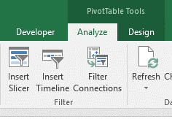

Sales Representative | 52,769 | 60,002
Grand Total | 69,271 | 88,856

Try it!

Multiple Slicer Connections
Rather than trying to put too many categories and values into one pivot table, it's often easier to read if we create separate pivot tables.
Here we've re-created our sum of salary table as well as our average salaries by job role/gender. We'd like to filter each of them by EducationLevel. We could add a slicer for each table but we can also create one slicer for the first pivot table and then connect it to the second.
Add the slicer to the first pivot table, select the slicer and its Options tab becomes visible. Click on Report Connections. In the dialog box that opens, make sure that both PivotSal2 and PivotAvg2 are checked. Now when you filter using the slicer, both pivot tables will be affected.
1

2
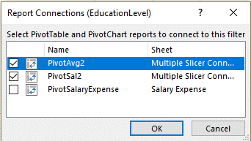

Row Labels | Sum of Salary | Average Salary | Column Labels
Healthcare Representative | 1,001,266 | Row Labels | Female | Male
Human Resources Generalist | 668,856 | Healthcare Representative | 49,460 | 44,118
Human Resources Manager | 376,976 | Human Resources Generalist | 65,859 | 51,962
Lab Technician | 2,434,202 | Human Resources Manager | 126,760 | 123,456
Manufacturing Director | 527,587 | Lab Technician | 51,929 | 54,094
Research & Development Director | 1,196,450 | Manufacturing Director | 178,525 | 174,531
Research Director | 968,200 | Research & Development Director | 584,000 | 612,450
Research Scientist | 1,603,815 | Research Director | 325,200 | 321,500
Sales Executive | 316,000 | Research Scientist | 170,267 | 218,603
Sales Manager | 671,413 | Sales Executive | 0 | 158,000
Sales Representative | 4,052,525 | Sales Manager | 93,029 | 161,785
Grand Total | 13,817,290 | Sales Representative | 52,769 | 60,002

Try it!

Timelines
Timelines work like slicers but they only filter Date format fields. You have the option to select days, weeks, months, quarters, years.
In this case we have a timeline connected to the "StartDate" field (the only Date field in our data). Set to years, we can see how many staff started each year, by job role. Note the "Headcount" field is just the count of EmployeeID. That's a handy field to use as a counter because we know each row of the data has an employee ID.
You can click on a single year to filter the pivot table or click and drag to select multiple years.

Row Labels | Headcount
Healthcare Representative | 21
Human Resources Generalist | 11
Human Resources Manager | 3
Lab Technician | 46
Manufacturing Director | 3
Research & Development Director | 2
Research Director | 3
Research Scientist | 8
Sales Executive | 2
Sales Manager | 5
Sales Representative | 72
Grand Total | 176

Try it!

PivotChart
If we wish to visualize our data, we can insert a PivotChart. In this case we have a PivotTable showing our salary outlay by position. The button to insert a PivotChart is found in the Tools group on the PivotTable Tools/Analyze tab.
But before we create the PivotChart, we right click on any "Sum of Salary" value, select Sort and sort by value largest to smallest. This gives us a ranked view, which we can display in our chart. The sort has been done for you.
The result below is the base chart (screenshot), which includes a JobRole filter that is tied to the PivotTable. The sales rank is not the order we wish, which is common when creating Excel charts. The data series must be displayed in reverse order. Included is an edited chart, which has a new title, is ranked properly, hides the filter button, and has had other formatting applied.

Row Labels | Sum of Salary
Sales Representative | 4,052,525
Lab Technician | 2,434,202
Research Scientist | 1,603,815
Research & Development Director | 1,196,450
Healthcare Representative | 1,001,266
Research Director | 968,200
Sales Manager | 671,413
Human Resources Generalist | 668,856
Manufacturing Director | 527,587
Human Resources Manager | 376,976
Salary Outlay by Position
Sales Executive | 316,000
Grand Total | 13,817,290

Screenshot of base PivotChart
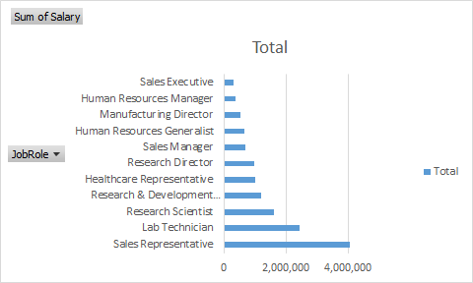

Edited PivotChart

